AKCESORIA
NIKE SWIM |  |  |  |  |  |  |  |  | #REF!
Symbol | name | color |  | photo | HUF nettó NK | RRP | stock | order
NESSA176 | NIKE VAPORE MIRROR | 018 Iron Grey | 5057764741620 | 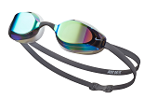 | 9,500 | 18,999 | 273 |  | #REF!
NESSA176 | NIKE VAPORE MIRROR | 486 aquarius blue | 5063012355891 | 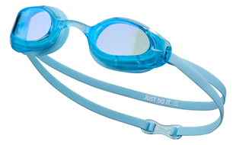 | 9,500 | 18,999 | 72 |  | 0.00 zł
NESSA176 | NIKE VAPORE MIRROR | 40 SILVER | 5057764741637 | 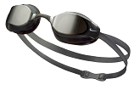 | 9,500 | 18,999 | 406 |  | #REF!
 |  |  |  |  | - | - |  |  | #REF!
NESSA177 | NIKE VAPORE | 366 GREEN | 5063012355907 | 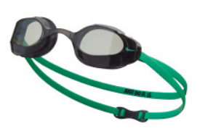 | 8,000 | 15,999 | 152
NESSA177 | NIKE VAPORE | 042 NATURAL GREY | 5057764741699 | 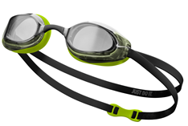 | 8,000 | 15,999 | 48
NESSA177 | NIKE VAPORE | 001 Black | 5059436550790 | 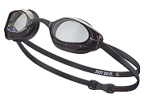 | 8,000 | 15,999 | 356 |  | #REF!
 |  |  |  |  | - | - |  |  | #REF!
NESSD130 | NIKE LEGACY MIRROR | 710 GOLD | 5063012037780 | 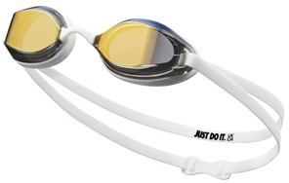 | 6,000 | 11,999 | 65 |  | #REF!
NESSD130 | NIKE LEGACY MIRROR | 090 particle grey | 5063012350124 | 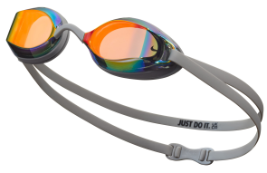 | 6,000 | 11,999 | 133
NESSD130 | NIKE LEGACY MIRROR | 931 RED BLACK | 5063012037797 | 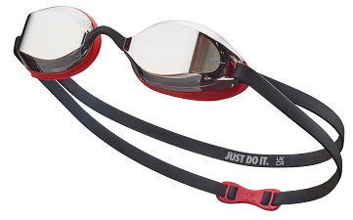 | 6,000 | 11,999 | 263 |  | #REF!
 |  |  |  |  | - | - |  |  | #REF!
NESSD131 | NIKE LEGACY | 014 DK SMOKE GREY | 5063012037803 | 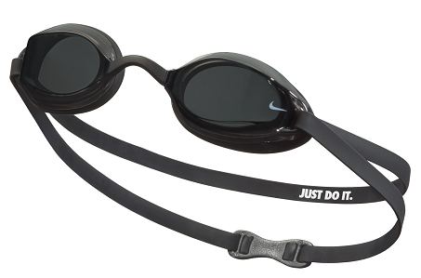 | 5,750 | 11,499 | 256 |  | #REF!
NESSD131 | NIKE LEGACY | 327 bright cactus | 5063012350131 | 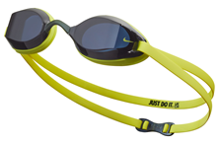 | 5,750 | 11,499 | 386
NESSD131 | NIKE LEGACY | 042 NATURAL GREY | 5063012037810 | 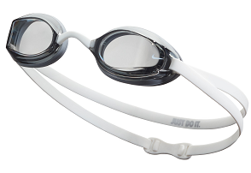 | 5,750 | 11,499 | 256 |  | #REF!
NESSD131 | NIKE LAGACY | 400 blue | 5063012037827 | 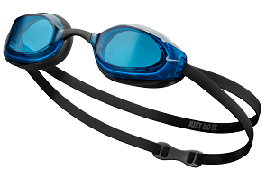 | 5,750 | 11,499 | 311 |  | #REF!
 |  |  |  |  | - | -
NESSF131 | Nike Valiant Mirrored | 001 BLACK |  | 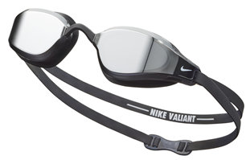 | 8,500 | 16,999 | 105 |  | #REF!
 |  |  |  |  | - | - |  |  | 0.00 zł
NESSF132 | Nike Legacy Comfort Mirrored | 440 MIDNIGHT NAVY |  | 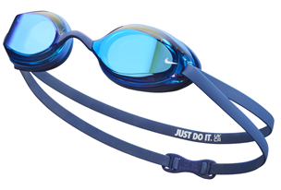 | 6,500 | 12,999 | 141 |  | 0.00 zł
 |  |  |  |  | - | - | 0.00 zł
NESSE125 | Nike Universal Fit Mirrored | 001 BLACK | 5063012375325 | 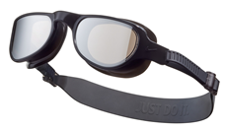 | 7,000 | 13,999 | 70
NESSE125 | Nike Universal Fit Mirrored | 474 ASHEN SLATE | 5063012375332 | 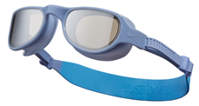 | 7,000 | 13,999 | 46
NESSE125 | Nike Universal Fit Mirrored | 737 VOLT | 5063012375349 | 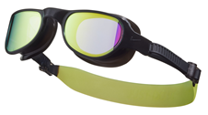 | 7,000 | 13,999 | 20
 |  |  |  |  | - | -
NESSE124 | Nike Universal Fit | 001 BLACK | 5063012375301 | 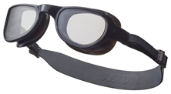 | 6,000 | 11,999 | 18
NESSE124 | Nike Universal Fit | 408 thunderstorm | 5063012375318 | 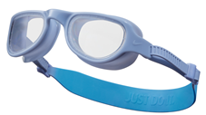 | 6,000 | 11,999 | 85
 |  |  |  |  | - | - | 0.00 zł
NESSB160 | Nike Expanse Mirrored | 051 COOL GREY | 5063012037469 | 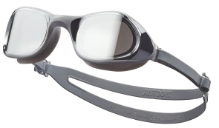 | 8,000 | 15,999 | 10
NESSB160 | Nike Expanse Mirrored | 438 UNIVERSITY BLUE |  | 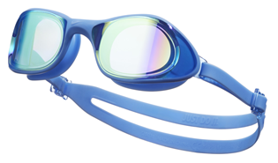 | 8,000 | 15,999 | 200
NESSB160 | Nike Expanse Mirrored | 417 court blue | 5063012355914 | 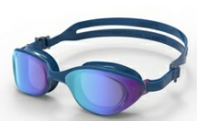 | 8,000 | 15,999 | 142
 |  |  |  |  | - | -
NESSB161 | Nike Expanse | 051 COBALT GREY | 5063012037483 | 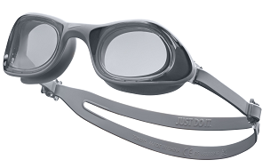 | 7,000 | 13,999 | 20 |  | #REF!
NESSB161 | Nike Expanse | 100 WHITE | 5063012355921 | 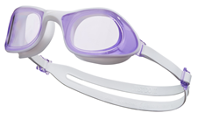 | 7,000 | 13,999 | 186
 |  |  |  |  | - | - |  |  | #REF!
NESSC151 | Nike Expanse Swim Mask | 005 Dark Black | 5059436605117 | 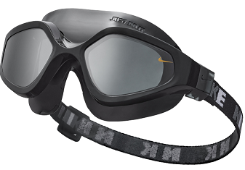 | 8,750 | 17,499 | 74 |  | #REF!
NESSC151 | Nike Expanse Swim Mask | 620 PICANTE RED | 5063012037568 | 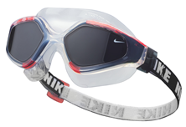 | 8,750 | 17,499 | 57 |  | #REF!
 |  |  |  |  | - | - |  |  | #REF!
NESSE134 | Nike Flex Fusion | 001 BLACK | 5063012375356 | 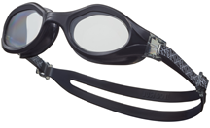 | 6,000 | 12,000 | 94
NESSE134 | Nike Flex Fusion | 494 GAME ROYAL | 5063012375363 | 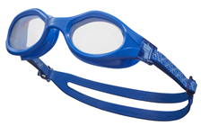 | 6,000 | 12,000 | 60
 |  |  |  |  | - | - | 0.00 zł
NESSD132 | Nike Hyper Flow | 014 DK SMOKE GREY | 5063012037858 | 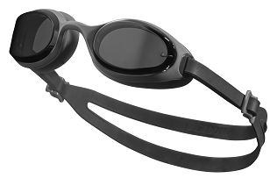 | 5,750 | 11,500 | 226 |  | #REF!
NESSD132 | Nike Hyper Flow | 042 NEUTRAL GREY | 5063012037865 | 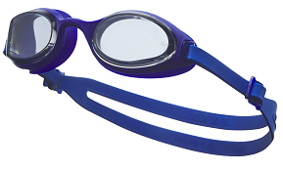 | 5,750 | 11,500 | 216 |  | #REF!
 |  |  |  |  | - | - |  |  | #REF!
NESSD127 | CHROME | 000 CLEAR | 5063012038091 | 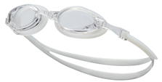 | 3,750 | 7,500 | 357
NESSD127 | CHROME | 486 aquarius | 5063012350179 | 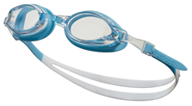 | 3,750 | 7,500 | 706
NESSD127 | CHROME | 463 BLUE |  |  | 3,750 | 7,500 | 240
NESSD127 | CHROME | 594 lilac | 5063012350186 |  | 3,750 | 7,500 | 418
NESSD127 | CHROME | 079 LT SMOKE GREY | 5063012038114 | 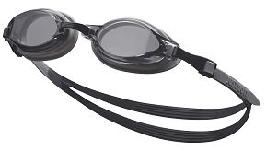 | 3,750 | 7,500 | 775 |  | #REF!
 |  |  |  |  | - | - |  |  | #REF!
NESSD125 | CHROME MIRROR | 040 silver | 5063012038015 | 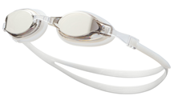 | 4,750 | 9,499 | 542
NESSD125 | CHROME MIRROR | 486 aquarius | 5063012350155 |  | 4,750 | 9,499 | 86
NESSD125 | CHROME MIRROR | 710 GOLD |  |  | 4,750 | 9,499 | 345 |  | #REF!
 |  |  |  | JUNIOR | - | - |  |  | #REF!
NESSD124 | Nike Expanse Kids' Swim Mask | 000 CLEAR | 5063012037698 | 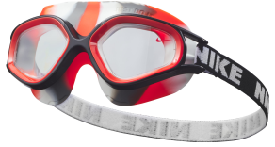 | 6,500 | 13,000 | 74 |  | #REF!
NESSD124 | Nike Expanse Kids' Swim Mask | 486 aquarius | 5063012350100 | 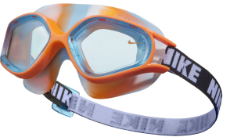 | 6,500 | 13,000 | 32
NESSD124 | Nike Expanse Kids' Swim Mask | 594 LILAC | 5063012350117 | 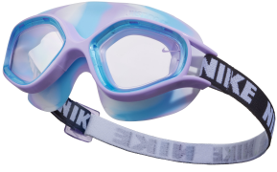 | 6,500 | 13,000 | 56
 |  |  |  |  | - | -
NESSD126 | Nike Chrome Mirror JUNIOR | 366 green | 5063012350162 | 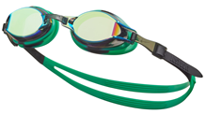 | 4,500 | 9,000 | 73
NESSD126 | Nike Chrome JUNIOR Mirror | 458 PHOTO BLUE | 5063012038060 | 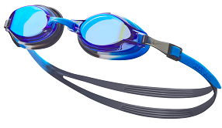 | 4,500 | 9,000 | 282 |  | #REF!
 |  |  |  |  | - | - |  |  | #REF!
NESSD128 | CHROME JUNIOR | 458 PHOTO BLUE | 5063012038169 | 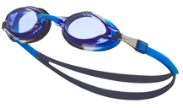 | 3,500 | 7,000 | 1047
NESSD128 | CHROME JUNIOR | 463 DUSTY CACTUS |  | 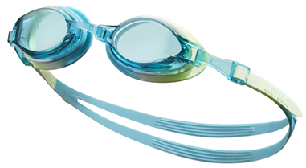 | 3,500 | 7,000 | 364
NESSD128 | CHROME JUNIOR | 560 VIVID PURPLE |  | 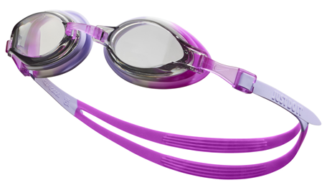 | 3,500 | 7,000 | 324
NESSD128 | CHROME JUNIOR | 670 PINK SPELL | 5063012038176 | 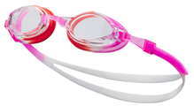 | 3,500 | 7,000 | 762
NESSD128 | CHROME JUNIOR | 366 green | 5063012350193 | 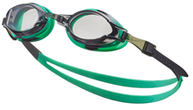 | 3,500 | 7,000 | 140
NESSD128 | CHROME JUNIOR | 079 LT SMOKE GREY | 5063012038152 | 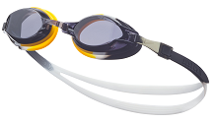 | 3,500 | 7,000 | 356 |  | #REF!
 |  |  |  |  | - | - |  |  | #REF!
 |  |  |  |  | - | - |  |  | #REF!
NESSD138 | Nike Lil' Swoosh | 688 FUCHSIA DREAM | 5063012201976 | 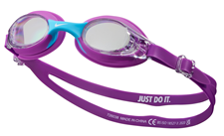 | 3,000 | 5,999 | 15 |  | #REF!
NESSD138 | Nike Lil' Swoosh | 100 WHITE | 5063012201938 | 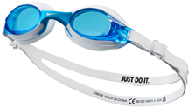 | 3,000 | 5,999 | 15
NESSD138 | Nike Lil' Swoosh | 458 PHOTO BLUE | 5063012201969 | 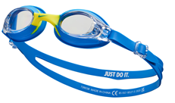 | 3,000 | 5,999 | 15
NESSD138 | Nike Lil' Swoosh | 820 SAFETY ORANGE | 5063012201983 | 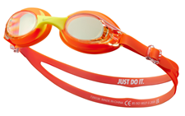 | 3,000 | 5,999 | 15 |  | #REF!
 |  |  |  | CZEPKI | - | - |  |  | #REF!
93060 | SOLID SILICON | 011 BLACK/WHITE | 5057193035895 |  | 2,000 | 4,000 | 2029 |  | #REF!
 |  | 100 WHITE | 5057193035925 |  | - | - | 891 |  | #REF!
 |  | 440 MIDNIGHT NAVY | 5057193035949 |  | - | - | 1601 |  | #REF!
 |  | 614 RED | 5057193036007 |  | - | - | 1097
 |  | 338 VAPOR GREEN | 5063012350049 |  | - | - | 473
 |  |  |  |  | - | - |  |  | #REF!
TESS0106 | Solid silicone JUNIOR | 001 BLACK | 5057193037516 |  | 1,750 | 3,500 | 835 |  | #REF!
 |  | 366 GREEN | 5063012350148 |  | - | - | 1023 |  | #REF!
 |  | 670 pink | 5063012037995 |  | - | - | 735
 |  | 458 PHOTO BLUE | 5057193037592 |  | - | - | 591 |  | #REF!
 |  |  |  |  | - | - |  |  | #REF!
NESS8163 | BIG SWOOSH | 100 WHITE | 5057193584812 |  | 3,000 | 5,999 | 195 |  | #REF!
 |  | 494 royal blue | 5057764228343 |  | - | - | 622
 |  | 001 BLACK | 5057193584805 |  | - | - | 797 |  | #REF!
 |  |  |  |  | - | - |  |  | #REF!
NESSA198 | LONG HAIR | 672 PINK PRIME | 5059436552404 |  | 3,500 | 6,999 | 257
 |  | 001 BLACK | 5057764741323 |  | - | - | 360 |  | #REF!
 |  |  |  |  | - | - |  |  | #REF!
NESSC150 | Nike Comfort POLIESTER | 001 BLACK | 5059436552411 |  | 3,000 | 5,999 |  |  | #REF!
 |  | 494 GAME ROYAL | 5059436826598 |  | - | - | 11 |  | #REF!
 |  |  |  |  | - | - |  |  | #REF!
NESSC156 | Nike Mesh Sling Bag (10L) | 001 BLACK | 5059436552367 |  | 7,500 | 15,000 | 37
NESSE138 | Nike 35L Swim Backpack | 001 BLACK | 5063012375370 |  | 19,000 | 37,999 | 33
NESS9173 | HAND PADDLES S/M | 919 Black / Photo Blue | 5059436569563 | S/M | 7,000 | 13,999 | 4 |  | #REF!
NESS9173 | HAND PADDLES , L/XL | 919 Black / Photo Blue | 5059436569549 | L/XL | 7,000 | 13,999 | 7 |  | #REF!
NESS9175 | EAR PLUGS | 618 HYPER CRIMSON | 5057764231145 |  | 2,500 | 4,999 | 656 |  | #REF!
NESS9176 | NOSE CLIP | 618 HYPER CRIMSON | 5057764231152 |  | 2,500 | 4,999 | 586 |  | #REF!
NESS8165 | HYDRO TOWEL | 425 HYPER COLBALT | 5057193614045 |  | 4,400 | 8,800 | 2 |  | #REF!
 |  | 673 RACER PINK | 5057193614052 |  | - | - | 55 |  | #REF!

